NAS Server Synology
 |  |  |  | Authorized Distributor

 |  |  |  | Contact Us :
Price per August 2014
*All price are subject to change without any prior notice, please contact our sales team for any updates
Category | Products Code | Image | Remarks | Key Features | SRP | SDP | Availability
 | DS214se | 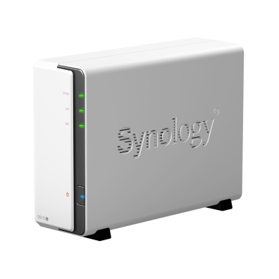 | A Budget-Friendly, Personal Cloud Synology® DiskStation DS214se is a budget-friendly 2-bay NAS device with the capability to host, share and protect data. Optimized to be an excellent personal NAS server, the DS214se runs on Synology’s award-winning DiskStation Manager (DSM). Synology’s feature-rich Package Center helps beginners explore the infinite possibilities of Synology NAS. | ● Floating-Point Unit Enabled CPU Favors Multimedia Processing ● 102 MB/s Reading, 58 MB/s Writing ● DLNA®-Certified Media Server ● 19W Low Power Consumption ● Hassle-free System Installation ● Running on Synology DiskStation Manager (DSM) ● 2-year limited warranty | $220 | $200 | Ready Stock
 | DS213j | 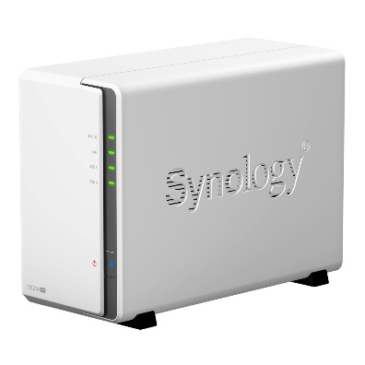 | Your Own Cloud Entertainment Starts Here Synology® DiskStation DS213j is a budget-friendly 2-bay NAS server for small offices and home use, specifically designed to provide a solution for file storage and sharing with data protection for your home environment with low power consumption, quiet operation and reliability. Running on DiskStation Manager (DSM) operating system, it delivers ease of use and variety of features. | ● Floating-Point Unit Enabled ● CPU Favored Multimedia Processing ● Large 512MB RAM for Multitasking ● Over 100MB/sec Reading, 70MB/sec Writing ● Wake on LAN Ready ● Cool and Quiet Chassis ● DLNA® Compliant Media Server ● Running on Synology DiskStation Manager (DSM) ● 2-year limited warranty | $280 | $260 | Ready Stock
 | DS414j | 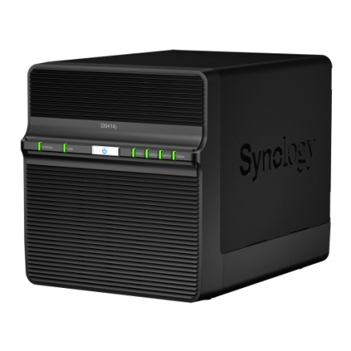 | Budget-friendly 4-bay NAS Server with Optimal Performance Synology® DiskStation DS414j is a budget-friendly 4-bay NAS server specifically designed for small offlices and home users to effectively manage, protect and share data. Equipped with comprehensive add-on applications, DS414j serves as your all-in-one network storage server for fun and for productivity. | ● The First Synology j to Feature Dual Core CPU with Floating-Point Unit ● The First Synology j to Feature USB 3.0 ● Over 112.28 MB/s Reading, 80.38 MB/s Writing ● Only 8.5W in HDD Hibernation ● Runs on Synology DiskStation Manager ● 2-year limited warranty | $490 | $460 | Ready Stock
Home to Business Workgroup | DS114 | 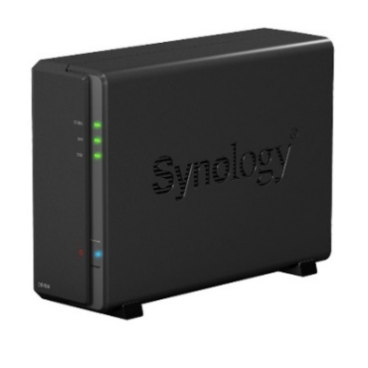 | Compact 1-bay NAS Server with Optimal Performance Synology® DiskStation DS114 is a feature-rich 1-bay NAS specifically designed to facilitate easy management and storage of digital contents. Running on Synology DiskStation Manager (DSM), DS114 enjoys the full versatility of applications Synology has to offer. | ● CPU with Floating-Point Unit Enabling Fast Multimedia Processing ● 512MB RAM for Increased Multi-Tasking Power ● Features SuperSpeed USB3.0 ● Quiet & Smart Cooling ● Quick & Easy System Installation ● Running on Synology DiskStation Manager (DSM) ● 2-year limited warranty | $270 | $250 | Ready Stock
 | DS214 | 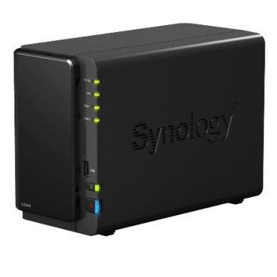 | High Performance NAS Server for SMB & SOHO Synology® DiskStation DS214 is a feature-rich 2-bay NAS server for workgroups and offices, specifically designed for users who need to share and protect data effectively, while increasing productivity with comprehensive office applications. | ● Dual Core CPU with Floating-Point Unit ● Excellent Reading/Writing Performance over 100MB/s ● Fastest Encrypted Data Transfer-rate in its Product Sector ● Features SuperSpeed USB3.0 ● Hot-swappable & Tool-Less Hard Drive Tray Design ● Running on Synology DiskStation Manager (DSM) ● 2-year limited warranty | $390 | $370 | Ready Stock
 | DS214play |  | Embrace the Ultimate Media Center Synology® DiskStation DS214play is a 2-bay NAS designed to serve as your ultimate media center. Optimized for multimedia processing, DS214play aims to fulfill increasing need for high-quality photo, music and video streaming, while keeping all other aspects of NAS uncompromised. | ● 1080p Full HD Video Transcoding on the Fly ● Dual Core CPU Powered by Floating-Point Unit ● 111 MB/s Reading, 101 MB/s Writing ● Features SuperSpeed USB 3.0 ● DLNA®-Certified Media Server ● Screwless Drive Bay Design and Hot-swappable Support ● Running on Synology DiskStation Manager (DSM) ● 2-year limited warranty | $480 | $450 | Out-of-Stock
 | DS414 | 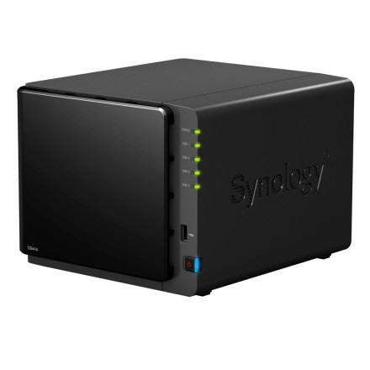 | High Performance 4-bay NAS Server for SMB & SOHO Synology® DiskStation DS414 is a feature-rich 4-bay NAS specifically designed for growing businesses to effectively manage, protect and share data. Equipped with comprehensive office applications, DS414 raises working efficiency while securing data with full backup solutions. | ● Dual Core CPU with Floating-Point Unit ● Over 207.07MB/s Reading, 135.63MB/s Writing ● Dual LAN with Failover and Link Aggregation Support ● 1GB RAM Boosting Multitasking Power ● Features SuperSpeed USB3.0 ● Hot-swappable & Tool-Less Hard Drive Tray Design ● Running on Synology DiskStation Manager (DSM) ● 2-year limited warranty | $620 | $575 | Ready Stock
 | DS415play | 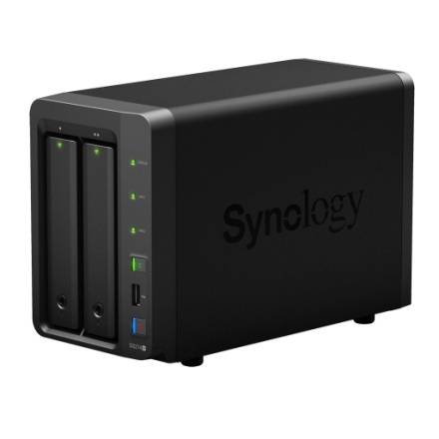 | Embrace the Ultimate Media Center with High Capacity Synology® DiskStation DS415play is designed to centralize your multimedia collections and share them effortlessly in your home network. Optimized for multimedia processing, DS415play delivers on-demand Full HD transcoding to guarantee seamless streaming experiences to the widest range of gadgets in your home. | ● Up to 24 TB Personal Multimedia Bank ● 1080p Full HD Video Transcoding on the Fly ● Concurrent Multi-Channel Streaming ● DLNA®-Certified Media Server ● 1.6GHz Dual Core CPU with Floating Point Unit ● Over 112.45 MB/s Reading, 101.21 MB/s Writing1 ● Running on Synology DiskStation Manager (DSM) ● 2-year limited warranty | $710 | $670 | Soon
Small and Medium Business | DS214+ | 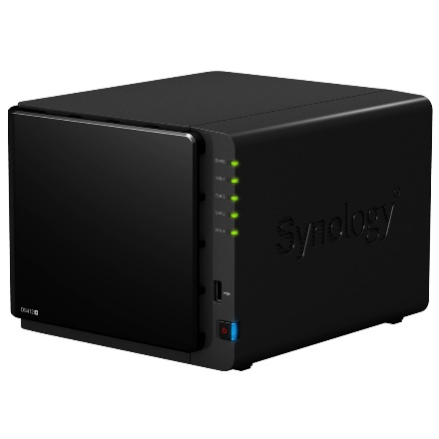 | Robust and Full-Fledged NAS Server for SMB Synology® DiskStation DS214+ is a high-performance 2-bay all-in-1 NAS server for small and medium business users. Elaborately designed for multitasking applications, DS214+ offers high-performance, energy efficiency, and complete business features in a network attached storage solution that helps small and medium businesses centralize backup, protect critical assets and share files quickly and efficiently. | ● Dual Core CPU Powered by Floating Point Unit ● 208 MB/s Reading, 153 MB/s Writing1 ● 2 LAN with Failover and Link Aggregation Support ● SuperSpeed USB 3.0 Support ● Hardware Encryption Engine ● Screwless Drive Bay Design and Hot-swappable Support ● Running on Synology DiskStation Manager (DSM) ● 2-year limited warranty | $500 | $470 | Ready Stock
 | DS412+ | 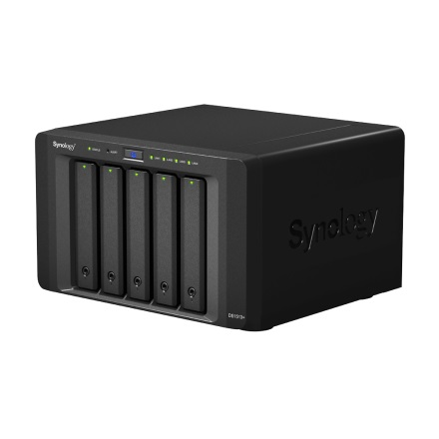 | High-Performance & Easy to Manage 4-bay All-in-1 NAS Server for SMB Users Synology DiskStation DS412+ is specifically designed for small and medium-sized businesses who need a high-performance, easy to manage, and full-featured network attached storage solution to centralize data backups, protect critical assets and share files across different platforms. Synology protects your investment in the DS412+ with a 2-year limited warranty. | ● 205.68 MB/sec Reading, 182.66 MB/sec Writing1 ● 2 LAN with Failover and Link Aggregation Support ● Features SuperSpeed USB 3.0 ● CPU Passive Cooling Technology & System Fan Redundancy ● Hot-swappable Hard Drive Design ● Windows® AD and ACL Support ● VMware® / Citrix® / Microsoft® Hyper-V® Compliance ● Running on Synology DiskStation Manager (DSM) ● 2-year limited warranty | $760 | $730 | Out-of-Stock
 | DS1813+ | 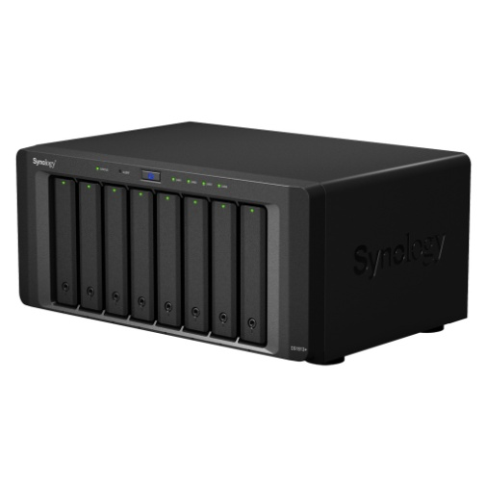 | Scalable NAS for SMB growing demands With its superior performance, scalability, resilience, and comprehensive features, Synology® DS1813+ is the ideal storage solution for your growing SMB. The DS1813+ can help to simplify data management, providing a centralized destination for storage, backup, and sharing - with minimal setup and the freedom to expand capacity at any time. The DS1813+ is backed by Synology's 3-year limited warranty. | ● 211.88 MB/sec Writing, 352.39 MB/sec Reading ● Four LAN Ports with Link Aggregation Support ● Scale up to 72TB with Synology DX513 ● Expandable RAM Module (Up to 4GB) ● CPU Passive Cooling Technology & System Fan Redundancy ● VMware®, Citrix®, Microsoft® Hyper-V® Ready ● High Availability and Automatic Failover by SHA ● Powered by Synology DiskStation Manager (DSM) ● 3-year limited warranty | $1,400 | $1,290 | Ready Stock
 | RS814+ / RS814RP+ | 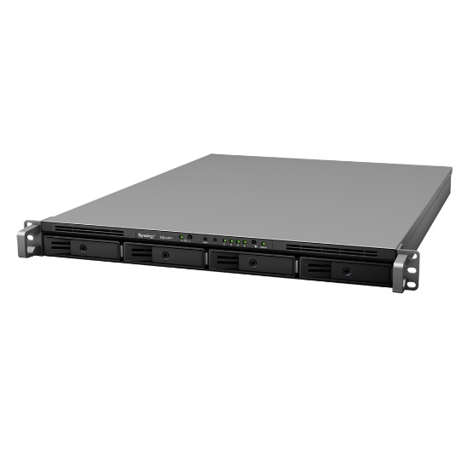 | Scalable, Resilient and Reliable Full-featured NAS Synology® RackStation RS814+/RS814RP+ offers a high-performance, scalable, and full-featured network attached storage solution that meets the needs of small and medium-sized business that requires an efficient way to centralize data protection, simplify data management, and rapidly scale storage capacity with minimal time spent on setup and management. | ● Dual Core CPU with Floating-Point Unit ● Over 330MB/s Reading, 196MB/s Writing ● 4 LAN with Failover and Link Aggregation Support ● 2GB RAM for Boosting Multitasking Power ● Features USB 3.0 ports ● Scale up to 40TB with Synology RX410 ● Redundant Power Supplies Ensure Service Uptime (RS814RP+ only) ● VMware® / Citrix® / Hyper-V® Compliance ● Running on Synology DiskStation Manager (DSM) ● 3-year limited warranty | $ 1,450 / $ 2,200 | $ 1,250 / $ 2,000 | Out-of-Stock / Indent
 | RS2414+ / RS2414RP+ | 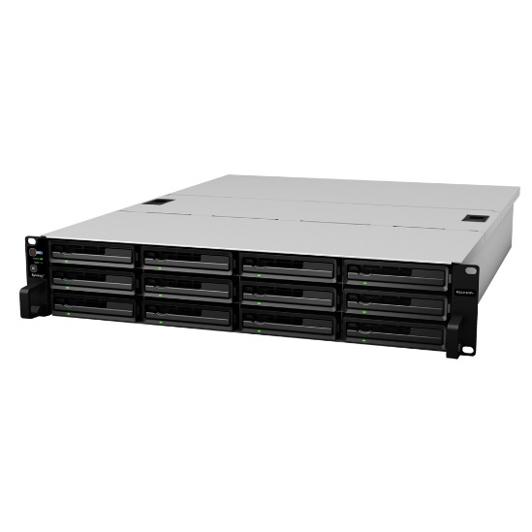 | High-Performance & Scalable NAS Server Synology® RackStation RS2414+/RS2414RP+ offers a high-performance, scalable, and full-featured network attached storage solution that meets the needs of business that requires an efficient way to centralize data protection, simplify data management, and rapidly scale storage capacity with minimal time spent on setup and management. | ● Dual Core CPU with Floating-Point Unit ● Over 339.63MB/s Reading, 209.14MB/s Writing ● Scale up to 120TB with Synology RX1214/RX1214RP ● 4 LAN with Failover and Link Aggregation Support ● 2GB RAM for Boosting Multitasking Power ● Redundant Power Supplies Ensure Service Uptime (RS2414RP+ only) ● Easy Installation with Screw-less Rail Kit (optional) ● Running on Synology DiskStation Manager (DSM) | $ 2,450 / $ 3,300 | $ 2,250 / $ 3,020 | Ready / Indent
Expansion Unit | DX513 | 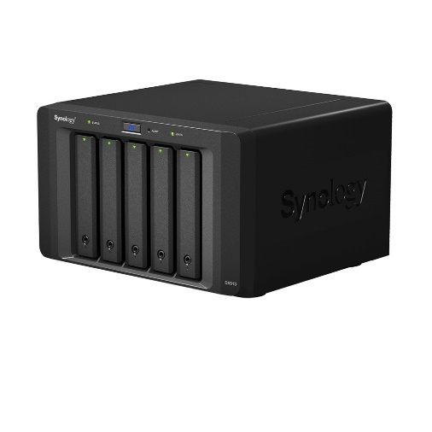 | Expansion Unit for Increasing Capacity of the Synology DiskStation Synology® DX513 delivers an effortless solution for volume expansion and data backup for selected Synology DiskStation models. The DX513 seamlessly scales up the storage capacity of the DiskStation by additional 5 hard drives on-the-fly when connected directly to an expansion cable. | ● Supported Models : DS713+, DS1513+, DS1813+ ● Online Volume Expansion ● Dedicated Local Backup Solution ● Reliable Plug-n-use Design ● Hot-swappable HDD Design ● Auto power on/off with DiskStation Models ● 3-year limited warranty | $620 | $580 | Ready Stock
Accessories

Camera License (Single use) | LICENSE PACK 1 | 1 IP Camera License |  |  | $60 | $55 | Indent
 | LICENSE PACK 4 | 4 IP Camera License |  |  | $220 | $210 | Indent
 | LICENSE PACK 8 | 8 IP Camera License |  |  | $410 | $400 | Indent
Railkit | RKM114 | Fixed Mount Kit - Supported Models : RS814(RP)+, RS814, RS812(RP)+, RS411, RS810(RP)+, RX410, RS409(RP)+, RS409, RX4 |  |  | $55 | $50 | Ready Stock
 | RKS1314 | Sliding Rail Kit - Supported Models : RS3614xs+, RS2414(RP)+, RS814(RP)+, RS814, RX1214(RP), RS10613xs+, RS3413xs+, RX1213sas, RS3412(RP)xs, RS2212(RP)+, RS812(RP)+, RS812, RS3411(RP)xs, RS2211(RP)+, RS411, RX1211(RP), RS810(RP)+, RX410, RS409(RP)+, RS409, RX4 |  |  | $105 | $100 | Ready Stock
 | 2GB DDR3 | Supported Models : DS2413+, DS1813+, DS1812+, DS1513+, DS1512+, RS2414+/RS2414RP+, RS2212+/RS2212RP+, RS814+/RS814RP+, RS812+/RS812RP+ |  |  | $55 | $50 | Ready Stock
 | 2GB ECC | Supported Models : DS3612xs, DS3611xs, RS3412xs/RS3412RPxs, RS3411xs/RS3411RPxs |  |  | $90 | $85 | Indent
 | 4GB ECC | Supported Models : RS10613xs+, RS3614xs+, RS3413xs+ |  |  | $130 | $125 | Indent
 | 8GB ECC | Supported Models : RS10613xs+, RS3614xs+, RS3413xs+ |  |  | $390 | $380 | Indent

Note:
*All price above does not include VAT
*HDD are sold seperately, we recommend WD RED/RE for best performance and reliability experience
*Please call us or visit www.synology.com for more information

Basic Technical Specification

Products | Default/Max Drive Bay(s) | Default/Max Storage Capacity | CPU | Default/Max Memory | USB 2.0/3.0 | eSATA | Gigabit LAN | Max Concurrent Connection | Supported RAID | Warranty

Home to Small Office
DS112j | 1/1 | 5 TB/5 TB | Marvel Kirkwood 1.0 GHz | 128 MB/128 MB DDR2 | 2/0 | 0 | 1 | 64 | Basic | 2 Years (1+1 Replacement)
DS214se | 2/2 | 10 TB/10 TB | Marvell Armada 370 800 MHz | 256 MB/256 MB DDR3 | 2/0 | 0 | 1 | 64 | Basic, SHR, JBOD, RAID 0/1 | 2 Years (1+1 Replacement)
DS213j | 2/2 | 10 TB/10 TB | Marvel Armada 370 1.2 GHz | 512 MB/512 MB DDR3 | 2/0 | 0 | 1 | 64 | Basic, SHR, JBOD, RAID 0/1 | 2 Years (1+1 Replacement)
DS413j | 4/4 | 20 TB/20 TB | Marvel Kirkwood 1.6 GHz | 512 MB/512 MB DDR3 | 2/0 | 0 | 1 | 128 | Basic, SHR, JBOD, RAID 0/1/5/6/10 | 2 Years (1+1 Replacement)
DS414j | 4/4 | 20 TB/20 TB | MindSpeed Comcerto 2000 Dual Core 1.2 GHz | 512 MB/512 MB DDR3 | 1/1 | 0 | 1 | 128 | Basic, SHR, JBOD, RAID 0/1/5/6/10 | 2 Years (1+1 Replacement)
Home to Business Workgroup
DS114 | 1/1 | 5 TB/5 TB | Marvel Armada 370 1.2 GHz | 512 MB/512 MB DDR3 | 0/1 | 1 | 1 | 128 | Basic | 2 Years (1+1 Replacement)
DS214 | 2/2 | 10 TB/10 TB | Marvel Armada XP Dual Core 1.066 GHz | 512 MB/512 MB DDR3 | 1/2 | 0 | 1 | 128 | Basic, SHR, JBOD, RAID 0/1 | 2 Years (1+1 Replacement)
DS214play | 2/2 | 10 TB/10 TB | Intel Atom Dual Core 1.6 GHz | 1 GB/1 GB DDR3 | 1/2 | 1 | 1 | 256 | Basic, SHR, JBOD, RAID 0/1 | 2 Years (1+1 Replacement)
DS414 | 4/4 | 20 TB/20 TB | Marvel Armada XP Dual Core 1.33 GHz | 1 GB/1 GB DDR3 | 1/2 | 0 | 2 | 256 | Basic, SHR, JBOD, RAID 0/1/5/6/10 | 2 Years (1+1 Replacement)
Small and Medium Business
DS214+ | 2/2 | 10 TB/10 TB | Marvel Armada XP Dual Core 1.33 GHz | 1 GB/1 GB DDR3 | 1/2 | 1 | 2 | 256 | Basic, SHR, JBOD, RAID 0/1 | 2 Years (1+1 Replacement)
DS412+ | 4/4 | 20 TB/20 TB | Intel Atom Dual Core 2.13 GHz | 1 GB/1 GB DDR3 | 1/2 | 1 | 2 | 512 | Basic, SHR, JBOD, RAID 0/1/5/6/10 | 2 Years (1+1 Replacement)
DS1513+ | 5/15 | 25 TB/75 TB | Intel Atom Dual Core 2.13 GHz | 2 GB/4 GB DDR3 | 4/2 | 2 | 4 | 512 | Basic, SHR, JBOD, RAID 0/1/5/6/10 | 3 Years (1+1 Replacement)
DS1813+ | 8/18 | 40 TB/90 TB | Intel Atom Dual Core 2.13 GHz | 2 GB/4 GB DDR3 | 4/2 | 2 | 4 | 512 | Basic, SHR, JBOD, RAID 0/1/5/6/10 | 3 Years (1+1 Replacement)
RS814+/RP+ | 4/8 | 20 TB/40 TB | Intel Atom Dual Core 2.13 GHz | 2 GB/4 GB DDR3 | 0/2 | 1 | 4 | 512 | Basic, SHR, JBOD, RAID 0/1/5/6/10 | 3 Years (1+1 Replacement)
RS2414+/RP+ | 12/24 | 60 TB/120 TB | Intel Atom Dual Core 2.13 GHz | 2 GB/4 GB DDR3 | 2/2 | 0 | 4 | 512 | Basic, SHR, JBOD, RAID 0/1/5/6/10 | 3 Years (1+1 Replacement)
*For more detailed technical specs, please visit www.synology.com

